Capital Budgeting_Empty
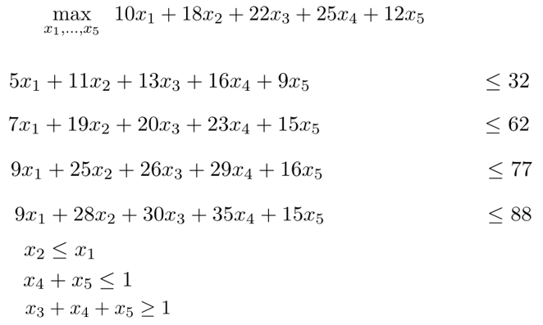
 | Project 1 | Project 2 | Project 3 | Project 4 | Project 5 | Budget
Year 1 | 5 | 11 | 13 | 16 | 9 | 32
Year 2 | 2 | 8 | 7 | 7 | 6 | 30
Year 3 | 2 | 6 | 6 | 6 | 1 | 15
Year 4 | 0 | 3 | 4 | 6 | -1 | 11
NPV | 10 | 18 | 22 | 25 | 12

 | Project 1 | Project 2 | Project 3 | Project 4 | Project 5
Selected?
NPV | 10 | 18 | 22 | 25 | 12

Year 1
Year 2
Year 3
Year 4
Prj 1 & 2
Prj 4 & 5
Prj 3, 4, 5

Capital Budgeting
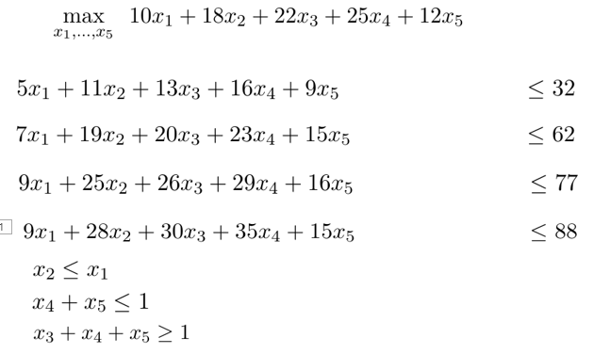
 | Project 1 | Project 2 | Project 3 | Project 4 | Project 5 | Budget
Year 1 | 5 | 11 | 13 | 16 | 9 | 32
Year 2 | 2 | 8 | 7 | 7 | 6 | 30
Year 3 | 2 | 6 | 6 | 6 | 1 | 15
Year 4 | 0 | 3 | 4 | 6 | -1 | 11
NPV | 10 | 18 | 22 | 25 | 12

 | Project 1 | Project 2 | Project 3 | Project 4 | Project 5
Selected? | 1 | 1 | 0 | 1 | 0
NPV | 10 | 18 | 22 | 25 | 12 | 53

Year 1 | 5 | 11 | 13 | 16 | 9 | 32 | <= | 32
Year 2 | 7 | 19 | 20 | 23 | 15 | 49 | <= | 62
Year 3 | 9 | 25 | 26 | 29 | 16 | 63 | <= | 77
Year 4 | 9 | 28 | 30 | 35 | 15 | 72 | <= | 88
Prj 1 & 2 | -1 | 1 |  |  |  | 0 | <= | 0
Prj 4 & 5 |  |  |  | 1 | 1 | 1 | <= | 1
Prj 3, 4, 5 |  |  | 1 | 1 | 1 | 1 | >= | 1

